Wheels
 |  |  | S = Standard Equipment A = Available -- (dashes) = Not Available D = ADI Available ■ = Included in Equipment Group □ = Included in Equipment Group but upgradeable * = Indicates availability of feature on multiple models.
Orderable RPO Code | Ref. Only RPO Code | Wheels | Description | LT 1LB56 AWD 2LT | Z71 1LC56 AWD 2Z7 | RS 1LD56 AWD 2RS
 | PXW | 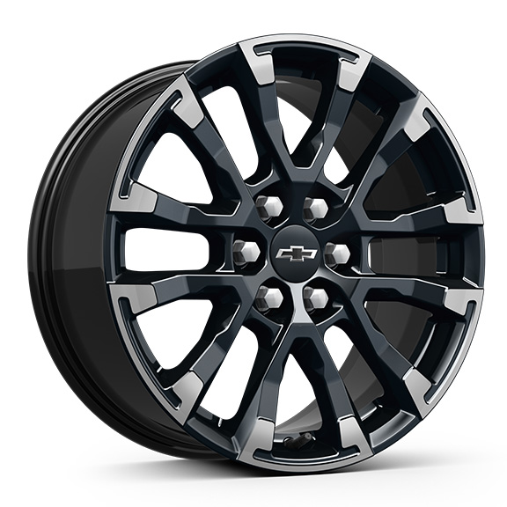 | Wheels, 18" (45.7 cm) High Gloss Black painted machined-face aluminum | -- | S | --
Q9P |  | 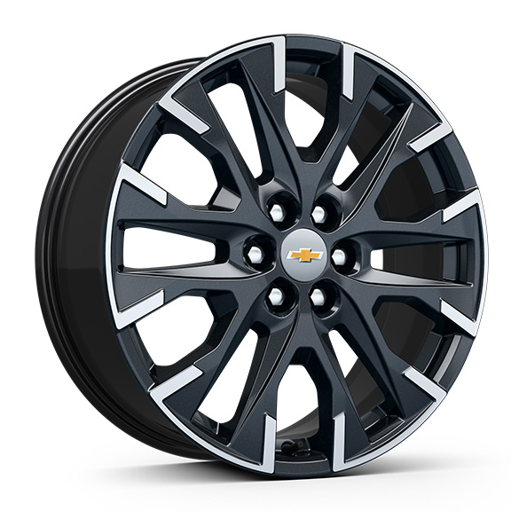 | Wheels, 20" (50.8 cm) Carbon Flash Metallic machined-face aluminum 1. Included and only available with (BAQ) Sun and Wheel Package Requires (Q3N) 255/55R20 all-season blackwall tires. Not available with (WJU) Midnight/Sport Edition. | A1 | -- | --
 | RUH | 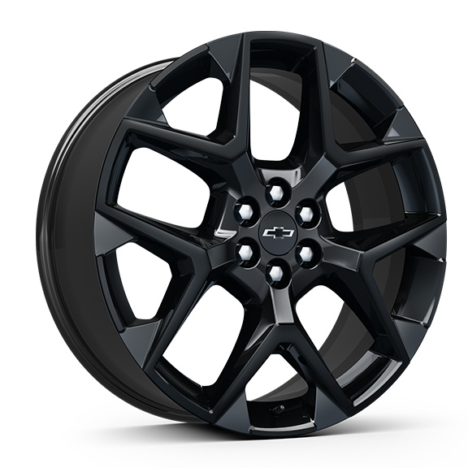 | Wheels, 22" (55.9 cm) High Gloss Black painted aluminum | -- | -- | S
 | SGE | 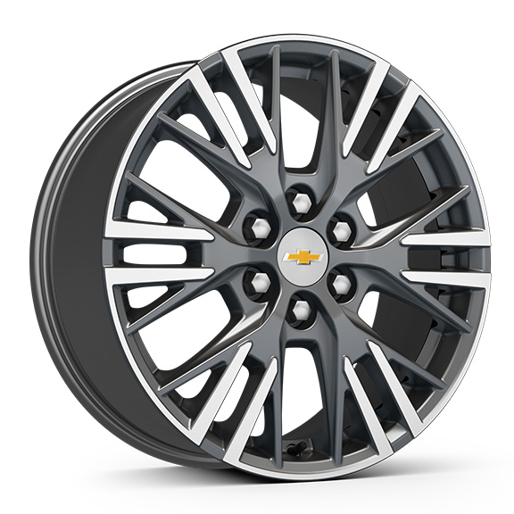 | Wheels, 18" (45.7 cm) Grazen Metallic machined-face aluminum | S | -- | --
 | SLV | 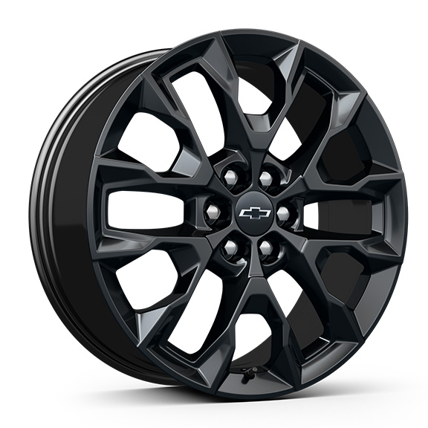 | Wheels, 20" (50.8 cm) High Gloss Black painted aluminum 1. Included and only available with (WJU) Midnight/Sport Edition. | A1 | -- | --
SAK |  | 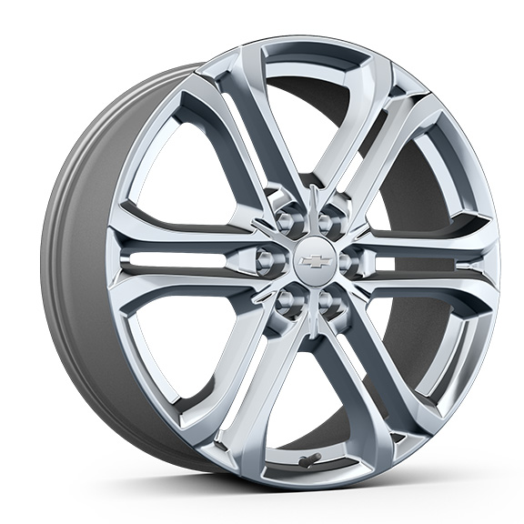 | LPO, 22" (55.9 cm) Bright aluminum wheels, includes (SFE) Bright wheel locks, LPO. 1. Not available for ordering. Requires (FE4) Suspension, special ride and handling. Includes factory installed lug nuts. Not available with (SAY) 22" high gloss Black aluminum wheels, LPO. | A1 | -- | --
SAY |  | 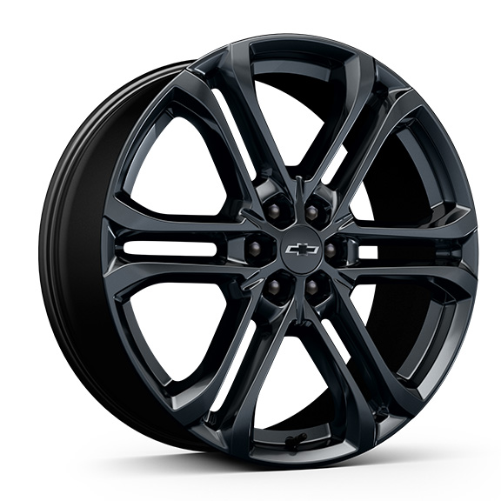 | LPO, 22" (55.9 cm) high gloss Black aluminum wheels, includes (SPZ) Black lug nut and wheel lock kit, LPO. 1. Requires (FE4) Suspension, special ride and handling. Not available with (SAK) 22" Bright aluminum wheels, LPO. | A1 | -- | A

